Cover


 |  | #Change logo stamp when branch changes

PROJECT NUMBER | 88888888
DATE | 2022-09-13
Material Estimate for: | 131 Diana Drive, Glenfield
BUILDER | TIRSH

Estimate provided by | Aaron

email | Aaron
Hillside Template

Price Notifications
# Sourced from "the Yard" in Eaccounts, managed by National office

 | Logo Stamp here

 | Hillside Template

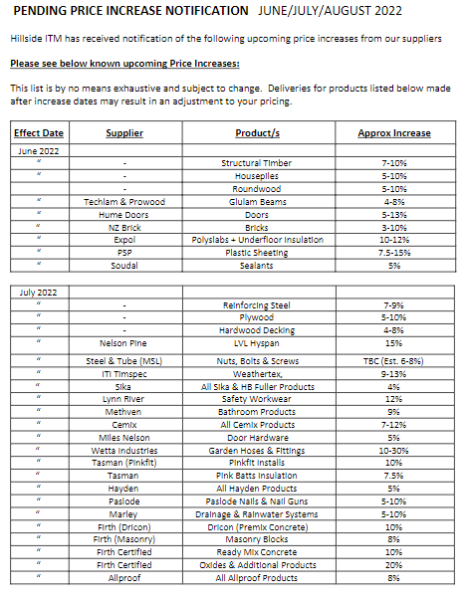

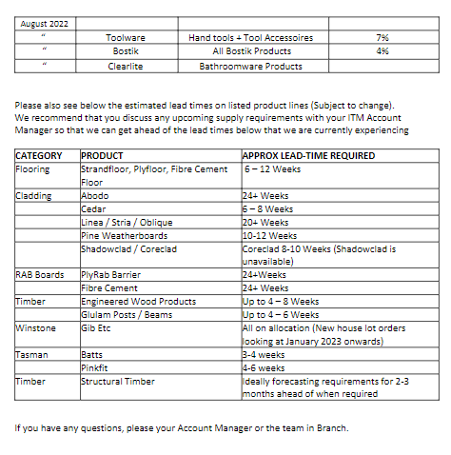

Regards
Aaron

T & C
Customer | TIRSH |  | Hillside Template
Job Address | 131 Diana Drive, Glenfield

Quote reference | 88888888 |  | Date | 2022-09-13
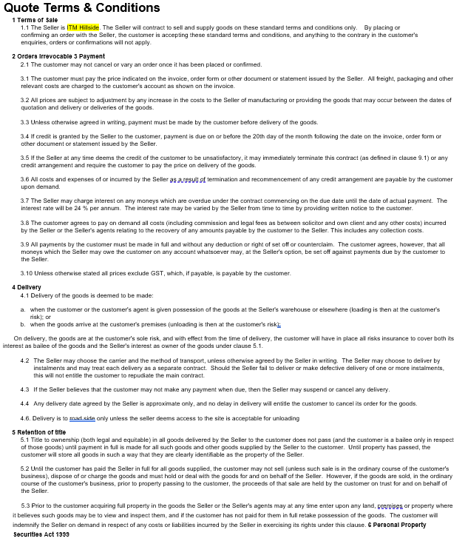

 |  | Hillside Template

Customer | TIRSH |  | Hillside Template
Job Address | 131 Diana Drive, Glenfield

Quote reference | 88888888 |  | Date | 2022-09-13
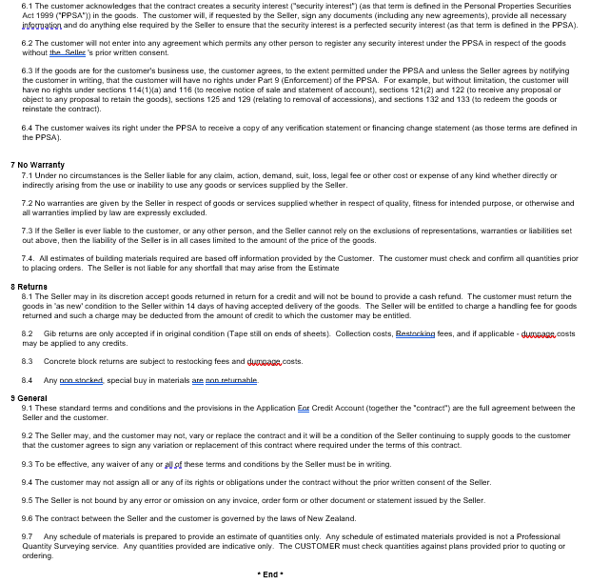

 | `

 |  | Hillside Template

Acceptance
 |  |  | 13-Sep-22

 |  | Job Address | 131 Diana Drive, Glenfield
 |  | Job Ref.: | 88888888

Hillside Template

Estimators Notes: sourced from Quantifier data
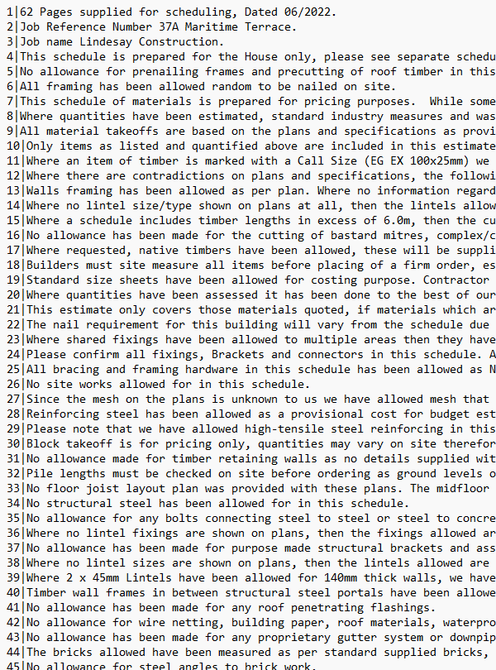

Customer | TIRSH
Signature
Name ( please print )
Date
Signing this form it is deemed that you have read the ITM Terms and Conditions,
agreed to the Terms of Trade and read all Tags and Estimatiors notes and all documents contained in this estimate

GANTT
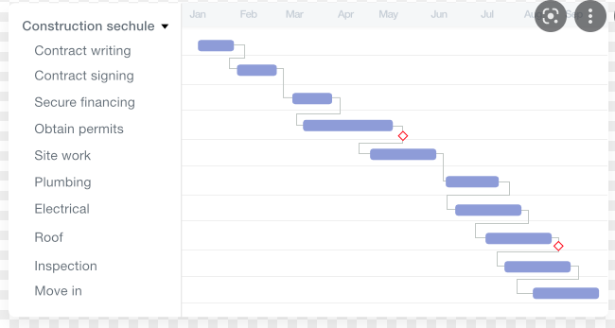
dates |  | times |  | Est Date
from acceptance date | Prenail | 8 | weeks | date + 56 days
 | Flooring
 | Abodo |  |  |  | link to code database or TSU code, or link to tick box in work request eg Cladding / w/bd drop down box
 | cedar |  |  |  | link to code database or TSU code, or link to tick box in work request eg Cladding / w/bd drop down box
 | linea |  |  |  | link to code database or TSU code, or link to tick box in work request eg Cladding / w/bd drop down box
 | pine |  |  |  | link to code database or TSU code, or link to tick box in work request eg Cladding / w/bd drop down box
 | shadowclad |  |  |  | link to code database or TSU code, or link to tick box in work request eg Cladding / w/bd drop down box
 | RAB
 | Fibre Cement
 | Engineered timber
 | Beams
 | Gib
 | Batts
 | Etc etc

 | eg below, import into Eaccounts CRM for the reps

